Map
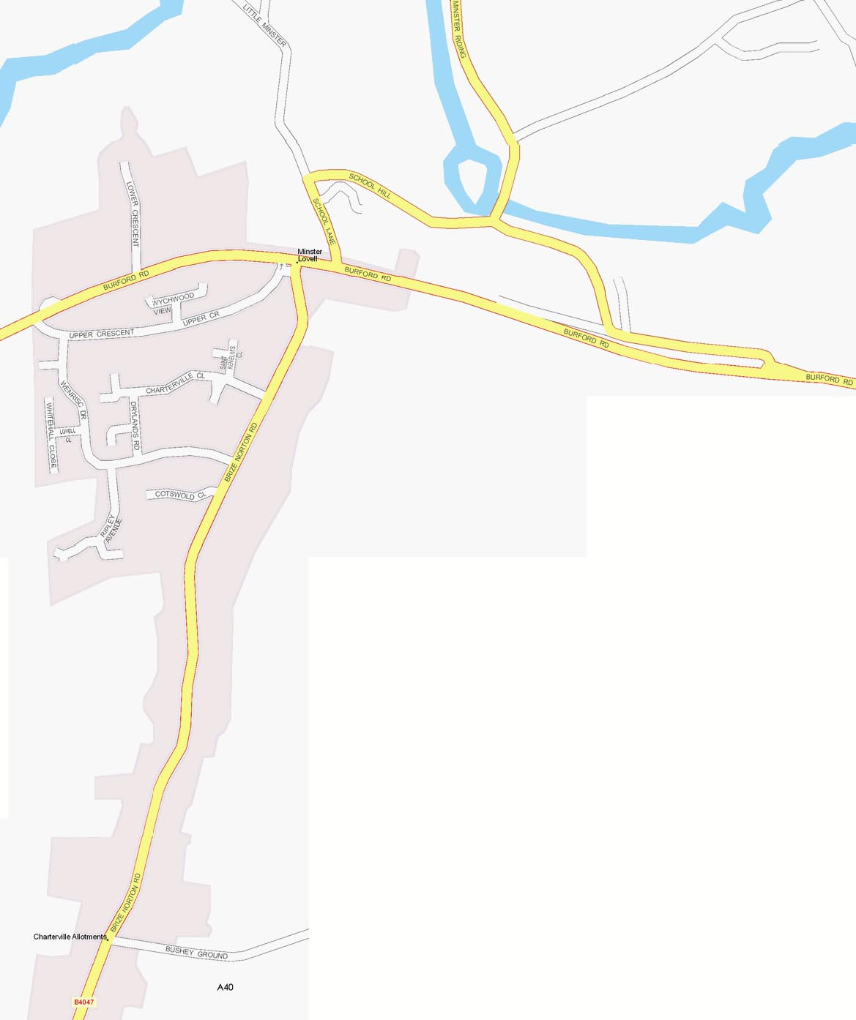
28

26
24 25
21
22
23
20
19
18 17
16
15
14
9
7 6
8
10
11
12
5
4
2
1
3
Entrance
13
27
26
24 25
21
22
23
20
36 19
18 17
37 16
15 33
14
9
7 6
10 31 35 11 8
12
5
34
4
2
1
36↓
3
Entrance
13
27

30
32

29

